Order Cancellation
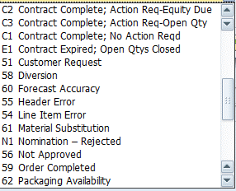
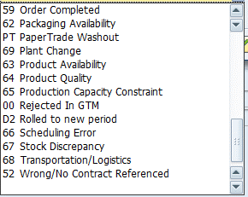
Sales Orders | Reason for Rejection (Fill with two digit alaphanumeric code from far right) | Notes (Please Limit to 63 characters. Will pull in today's date automatically) | Change Reason Code Number (Fill from Number on closer right) | CODE | DESCRIPTION
 |  |  |  | 1 | Product Availability
 |  |  |  | 2 | Transportation Availability
 |  |  |  | 3 | Entry Error
 |  |  |  | 4 | Customer Requested
 |  |  |  | 5 | Truck Weight
 |  |  |  | 6 | Pricing
 |  |  |  | 7 | System Issue
 |  |  |  | 8 | WEATHER
 |  |  |  | 9 | Forecast Accuracy
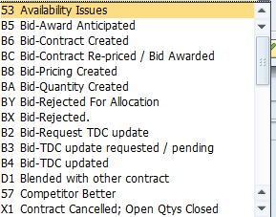
 |  |  |  | 10 | Customer Over Demand

